Sheet1
HMS TEST PLAN AND TEST RESULTS

Module | Purpose | Tested Data | Expert Results | Actual Results | Expert Results
Login form | Open login form | Press OK Button | Open login form | 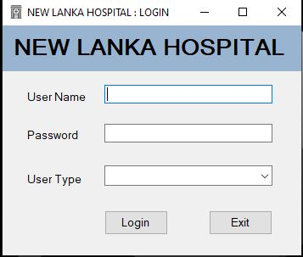 | Sucess
 | Enter the correct value | N001 , Nurse@1 , Nurse | Open main menu form | 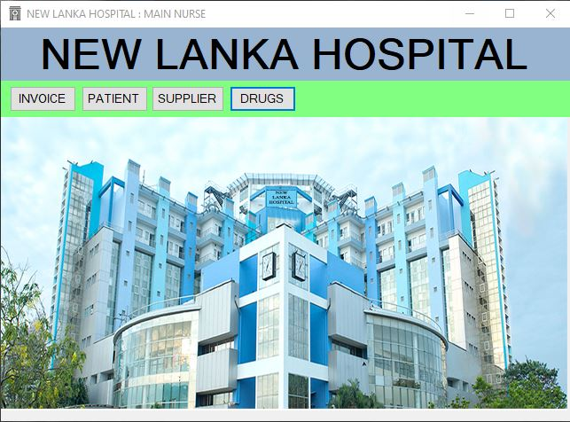 | Sucess
 | Enter the wrog value | N001 , Nurse@1 , Doctor | Error Message | 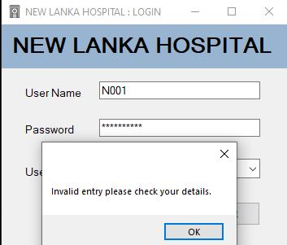 | Sucess
Main form | Open patient form | Press Patient Task Bar | Open patient form | 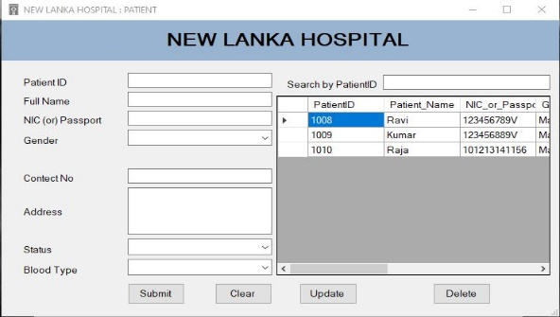 | Sucess
 | Open supplier form | Press Supplier Task Bar | Open Supplier form | 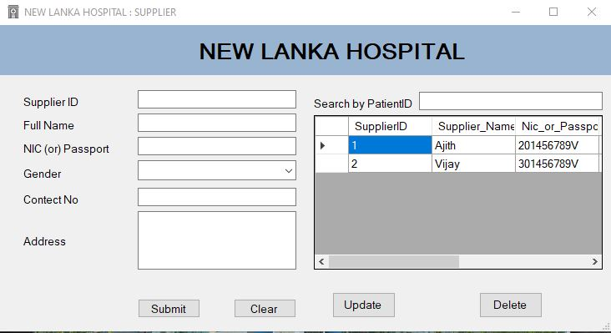 | Sucess
 | Open Invoice form | Press Invice Task Bar | Open Invoice form | 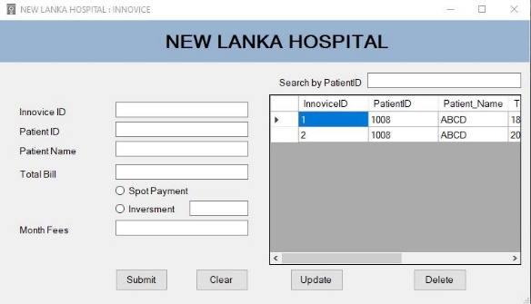 | Sucess
 | Open drug form | Press Drug Task Bar | Open Drug form | 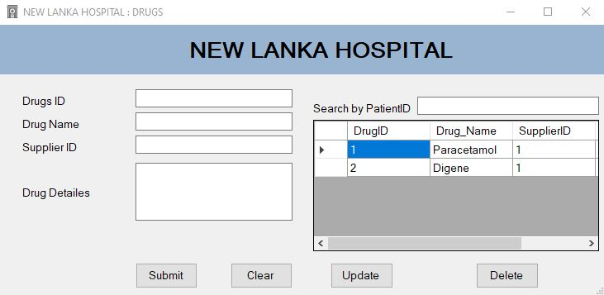 | Sucess
Patient form | Add new value | Enter the Patient record | Saved message | 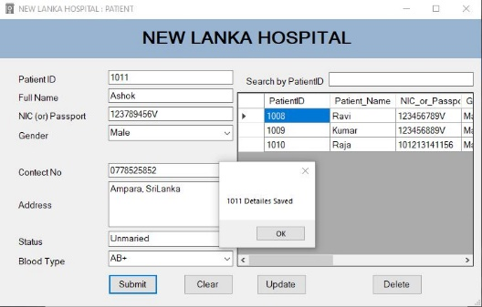 | Sucess
 | Update the record | Update the Patient record | Update message | 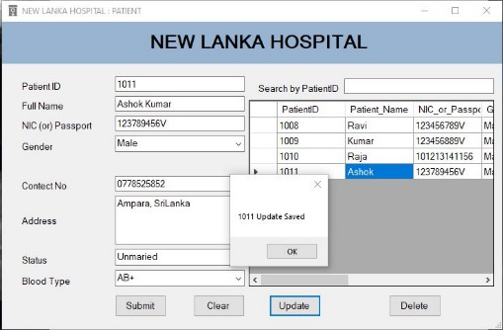 | Sucess
 | Delete the record | Delete the patient record | Delete message | 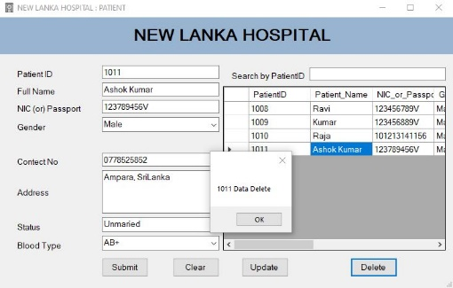 | Sucess
Supplier form | Add new value | Enter the Supplier record | Saved message | 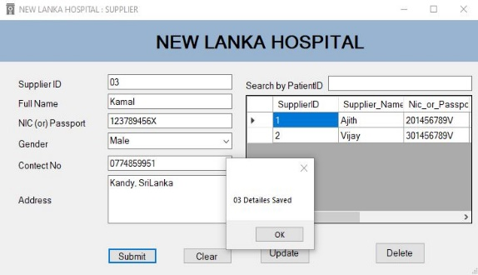 | Sucess
 | Update the record | Update the Supplier record | Update message | 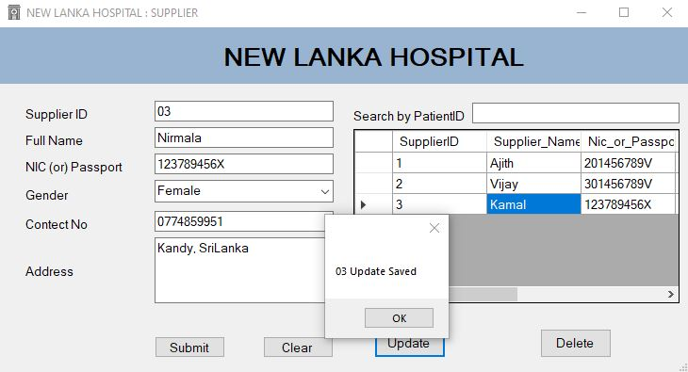 | Sucess
 | Delete the record | Delete the Supplier record | Delete message | 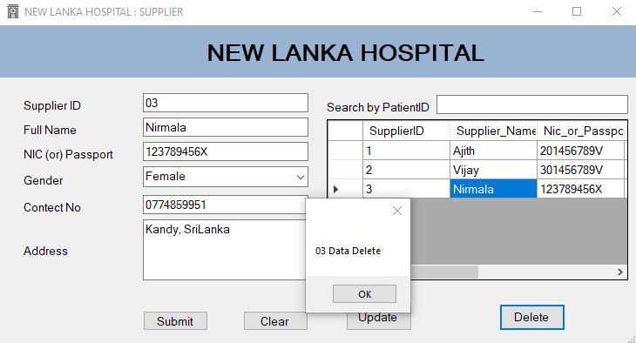 | Sucess
Invoice form | Add new value | Enter the Invoice record | Saved message | 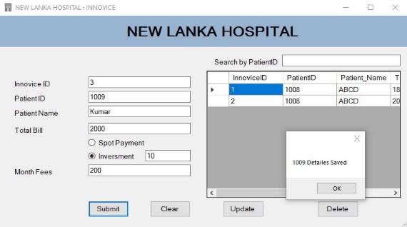 | Sucess
 | Update the record | Update the Invoice record | Update message | 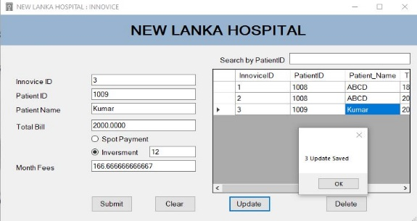 | Sucess
 | Delete the record | Delete the Invoice record | Delete message | 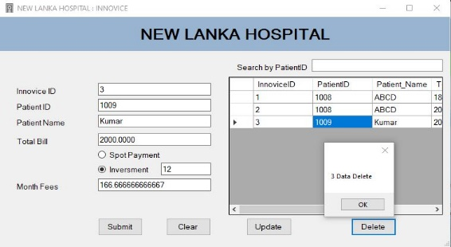 | Sucess
Drug form | Add new value | Enter the Drug record | Saved message | 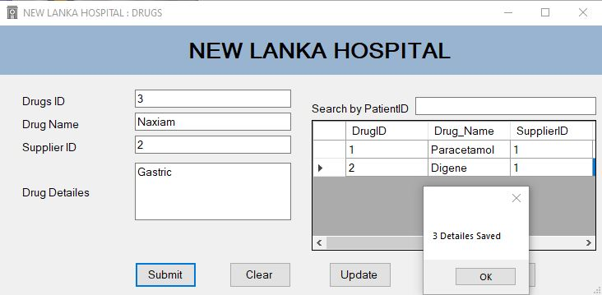 | Sucess
 | Update the record | Update the Drucg record | Update message | 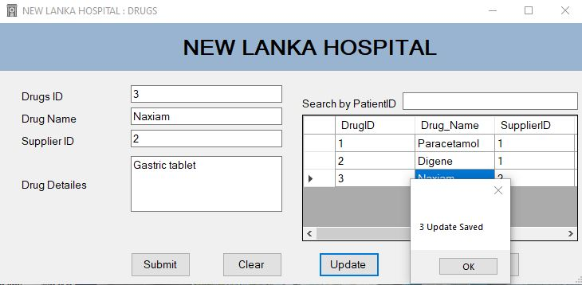 | Sucess
 | Delete the record | Delete the Drucg record | Delete message | 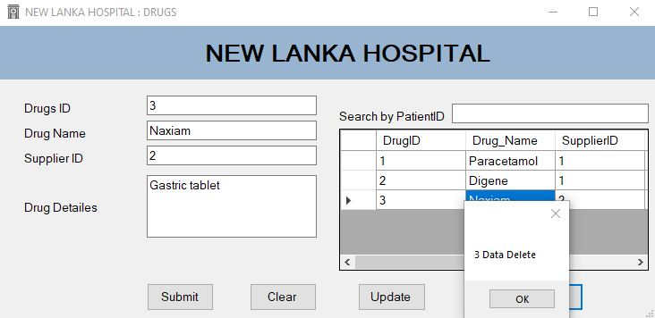 | Sucess

